Sheet1
 |  | Document No. | Issue No. | Issue Date |  | Review and Replace Date |  | Authorised By
 |  | GFF483MC | 1 | 02.12.2024 |  | New doc
 |  | Document Title | 4 Vegetable Samosa 160g
 |  |  |  |  |  |  |  | Magda Shah
Document amendments reason for change |  | New Launch | Page 1 of 1 |  | Previous Issue Date |  | New doc | Uncontrolled copy unless signed original

FVSAC-R6T | Gazebo-Oakhouse |  | 4 Vegetable Samosa 160g

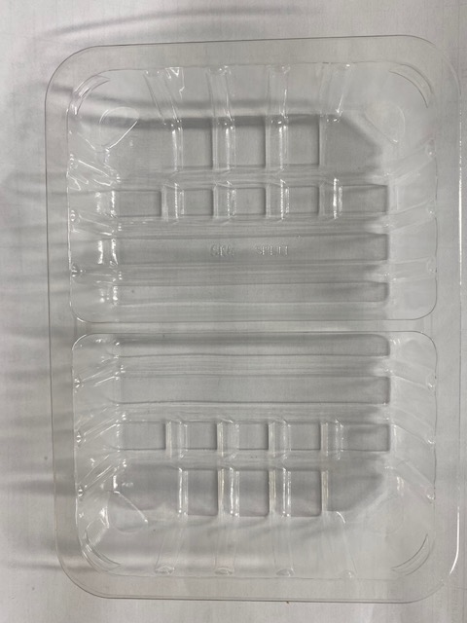 |  |  |  |  | 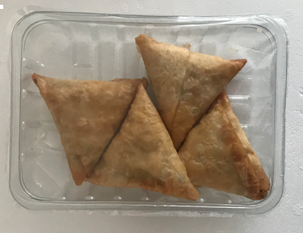

PACK DAY + 1 YEAR

Tray: SK4 Split Clear (PKESS001-06) |  |  |  |  | Vegetable Samosa (GFF003R) 40g: 4 pieces
Film: K-peel 7G+25A/f-275mm (PKKMP001-03) |  |  |  |  | Total Weight: 160g
ALLERGY ALERT: WHEAT

